Building solar panels
Best guide to follow so far:
https://smtnet.com/library/files/upload/Solar-Panel-Documentation.pdf

Supplies have been figured out, any missing here can be found in one of the guide processes.
Just need to do the assembly ourselves for some test panels.

Following this:
http://mstl.atl.calpoly.edu/~bklofas/Presentations/SummerWorkshop2009/Sat_1425_Solar%20Cell%20Installation%20Using%20Double%20Sided%20Polysiloxane%20PSA%20Film%20-%20Petras%20Karuza.pdf

Can get solar cells from here:
https://www.spectrolab.com/photovoltaics.html |  | (Probably the better one)
https://solaerotech.com/products/space-solar-cells-coverglass-interconnected-cells-cic/
http://www.azurspace.com/images/0003429-01-01_DB_3G30C-Advanced.pdf |  | (Seems they supply for GOMspace panels.. Where do Endurosat get theirs from?)
http://www.azurspace.com/images/products/0003421-01-02_DB_3G30C_80x80.pdf |  | (Same place but one big cell instead of two small ones) |  |  | (Why does it provide double the current?) |  | (The assemblyproducts, whats the difference exactly? Seems some already have integrated diodes, thus can purchase those and no need to worry. The guide above seems to use panels with integrated diodes as well.)
Azur Space also offers panel WAFERS on which it seems solar cells are mounted, which could simplify our work if we use them

Pressure sensitive adhesive (PSA):
https://nusil.com/product/cv-1161_controlled-volatility-pressure-sensitive-silicone-adhesive

EPO-TEK H20E silver epoxy (mentioned separately twice, use this):
https://www.epotek.com/site/component/products/productdetail.html?cid[0]=84

Kapton (polyimide film):
https://www.dupont.com/electronic-materials/polyimide-films.html

Get a handi-vac

For building, we have the options of applying it directly to the cubesat, or applying it toa 'panel' which can then be physically attached to the cubesat surface.
The backing should apparently be non-conductive? May already be covered by the materials used above.
Something was mentioned about junctions in other documents?

Other documents on building solar panels:
http://mstl.atl.calpoly.edu/~bklofas/Presentations/SummerWorkshop2017/SSC17-WK-50.pdf
http://www.diva-portal.org/smash/get/diva2:1020760/FULLTEXT01.pdf

Full design process (Page 13 for assembly steps)
https://smtnet.com/library/files/upload/Solar-Panel-Documentation.pdf

Need a diode to prevent current from reversing when no power

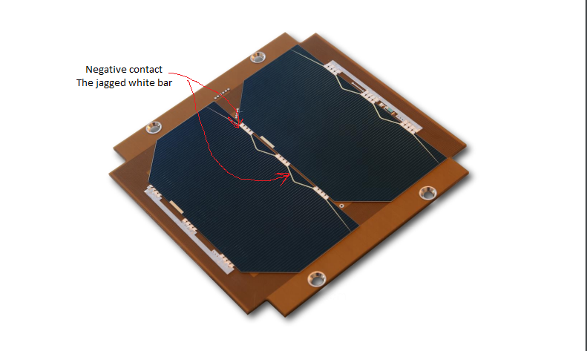
How panel current/voltage/power changes with several variables
http://www.diva-portal.org/smash/get/diva2:858954/FULLTEXT02

These are the Arduino panels possibly?
https://www.amazon.ca/OSEPP-Monocrystalline-Solar-Components-SC20050/dp/B011OX3TZY
200mA, 5V, 120mm x 70mm

Light level references?
https://www.noao.edu/education/QLTkit/ACTIVITY_Documents/Safety/LightLevels_outdoor+indoor.pdf

Another assembly process
https://scholarworks.moreheadstate.edu/cgi/viewcontent.cgi?article=1093&context=msu_theses_dissertations

Another assembly process
https://arxiv.org/ftp/arxiv/papers/1508/1508.05354.pdf
https://aaltodoc.aalto.fi/bitstream/handle/123456789/12057/master_Hemmo_Jussi_2013.pdf?sequence=2&isAllowed=y

Connection schemes
https://ieeexplore.ieee.org/stamp/stamp.jsp?arnumber=6924884

Very useful
https://ntrs.nasa.gov/archive/nasa/casi.ntrs.nasa.gov/19710028154.pdf
Section on the parts of a cell
Section 2.4 talks about illumintation on the panel and how it follows cosine of the angle (says above about 40 degrees you get edge effects). It also discusses how the short-circuit current changes largely while the open-circuit voltage minimally changes with light intensity.
Short-circuit current is NEARLY a linear relationship with short-circuit current, mA to mW/cm^2
Open-circuit voltage barely changes, and thus the resultant power is also a NEARLY linear relationship to intensity.

Extrapolate linearly from the given specs with actual vs reference illumination intensity. Then apply changes due to temperature (Do both of these for the current and voltage, no power yet).
Now you may find the power.
May use the power (current probably won't work since voltage changes with temp), and apply the conversion efficiency.

Section 2.4.3 deals with energetic particle damage. Degradation of max power depends on the cover slide used. Thus it is worth considering flight-time elapsed when doing AD.

"the resistance of the module is then given by R,S/P, where R, is the individual cell series resistance (typically 0.25 ohm for 4-cm2 cell) and where S is the number of cells in series and P the number in parallel. "
Use 2 diodes not one, for redundancy

Equations
http://past.ijass.org/On_line/admin/files/1703401.pdf

Stuff on solar cell equivalent circuit, and ALBEDO VIEW FACTOR (then multiply by 0.3 or something after)
http://cdn.intechopen.com/pdfs/22805/InTech-Architectural_design_criteria_for_spacecraft_solar_arrays.pdf

Azur Space cell assemblies already have cover glass and connectors

P_0MAX is power received at current intensity (based on distance) and facing directly towards the sun

----------------------------------------------------------------------------------------------------------------------------------------

5x cell, no css
Cells | http://www.azurspace.com/images/products/0003805-01-01_DB_3G30A.pdf |  | (Has bypass diodes on the edges)
Temperature sensor | https://datasheet.octopart.com/LM70CIMM-3/NOPB-National-Semiconductor-datasheet-8863967.pdf |  |  |  | or | http://www.ti.com/lit/ds/symlink/lm70.pdf |  | (Doubt that radiation-hardened TI one is needed)
PCB | Space qualified glass/polyimide laminate with 2 internal 70 μm copper ground planes
Photodiode | https://www.digikey.com/product-detail/en/TEMD6200FX01/751-1503-1-ND/2415259?WT.z_cid=ref_netcomponents_dkc_buynow&utm_source=netcomponents&utm_medium=aggregator&utm_campaign=buynow
Interconnectors | Silver-plated Kovar

RBF connector | https://www.digikey.ca/product-detail/en/molex/0532610271/WM7620CT-ND/699107
Power output | https://www.digikey.ca/product-detail/en/molex/0532610471/WM7622CT-ND/699109 |  |  | (what about the 4-pin for the endurosat Comm. interface? Any difference?)
Data interface | https://www.digikey.ca/product-detail/en/molex/0533981271/WM7616CT-ND/699090
Comm. interface | https://www.digikey.ca/product-detail/en/molex/0533980471/WM7608CT-ND/699082

Diode
switching dc-dc converter | For keeping voltage constant?

Space qualified glass/polyimide laminate with 2 internal 70 μm copper ground planes
Copper-clad FR4-type?

http://exploration.engin.umich.edu/blog/wp-content/uploads/2012/10/RAX-2_smallsat_2012_v2.pdf
http://mstl.atl.calpoly.edu/~bklofas/Presentations/DevelopersWorkshop2012/Springmann_RAX-2_Performance.pdf

